Indices

 | Iraq Stock Exchange
 | Bulletin No (58)
 | ISX Trading Indices of Tuesday 7/4/2026

 | Traded Volume and OTC |  | 1,425,301,684 |  | Traded Value and OTC |  | 1,624,709,990 |  | Traders | 1255
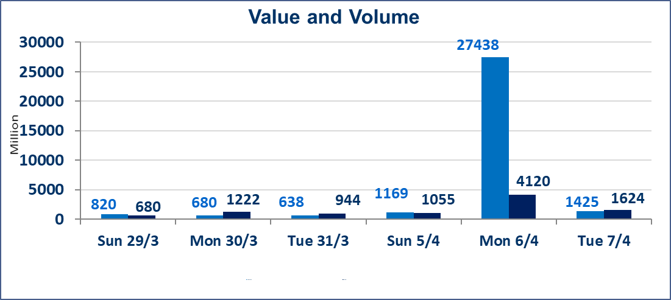
 | ISX Index 60 |  |  | 970.40 | ISX Index 15 |  |  | 1243.67
 | Previous ISX Index60 |  |  | 969.22 | Previous ISX Index15 |  |  | 1236.77
 | Change % |  |  | 0.12 | Change % |  |  | 0.56
 | Change |  |  | 1.18 | Change |  |  | 6.90

 | Listed Companies | 104 | OTC | 14 | Non Traded listed | 37 | OTC | 13
 | Traded Listed Companies | 55 | OTC | 1 | Higher Companies |  |  | 15
 | GAM Companies |  |  | 3 | Lower Companies |  |  | 12
 | Suspended Companies |  |  | 9
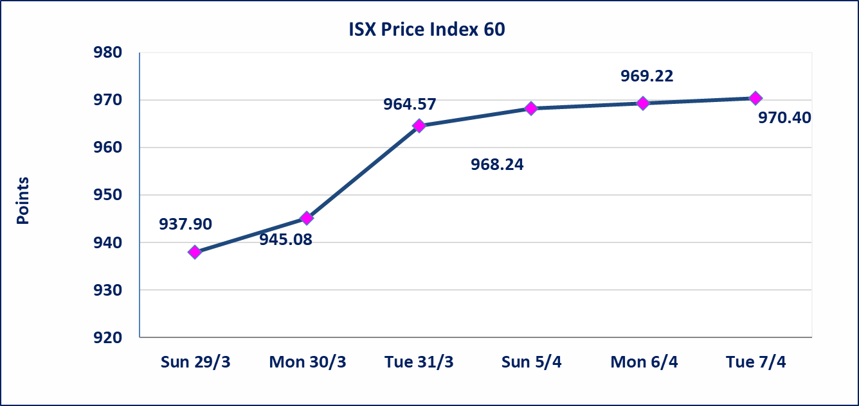
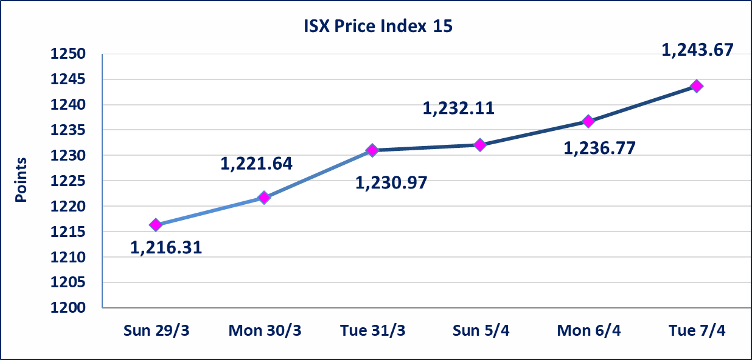

Al-Alwiya P.O . 3607 Mobile: 07711211522 - 07270094594 - 07834000034 E-mail: info-isx@isx-iq.net Web site:www.isx-iq.net

Top 5
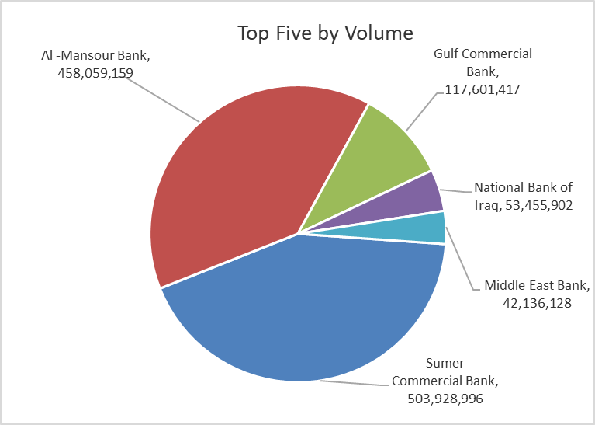
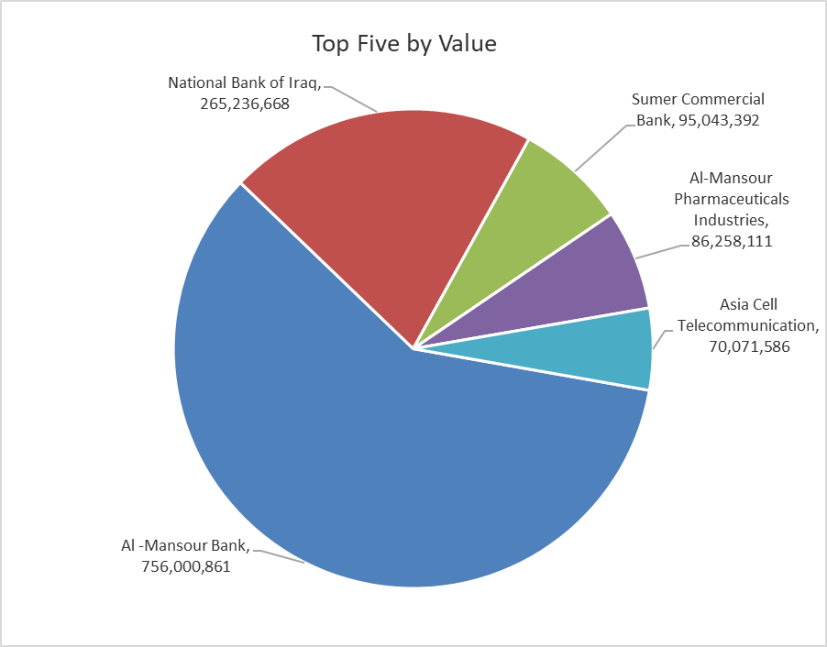

ISX top ganing and losing companies
Tuesday 7/4/2026
 | Gainers |  |  |  | Losers
 | Company Name | Closing Price | Change (%) | Traded Volume | Company Name | Closing Price | Change (%) | Traded Volume
 | Middle East Bank | 0.080 | 14.29 | 42,136,128 | General Transportation | 1.710 | -4.47 | 151,665
 | Sumer Commercial Bank | 0.190 | 5.56 | 503,928,996 | Al-Kindi of Veterinary Vaccines | 2.450 | -2.78 | 1,000,000
 | National Islamic Bank | 0.890 | 4.71 | 100,000 | Al-Hamraa for Insurance | 5.800 | -1.69 | 49,037
 | Al-Mansour Pharmaceuticals Industries | 2.250 | 4.65 | 39,726,802 | Commercial Islamic Bank of Iraq | 0.660 | -1.49 | 8,628,816
 | Gulf Commercial Bank | 0.350 | 2.94 | 117,601,417 | AL-Badia for General Trans | 1.010 | -0.98 | 1,119,914
 | The most active companies in term of traded volume and value

 | Traded Volume |  |  |  | Traded Value
 | Company Name | Closing Price | Change (%) | Traded Volume | Company Name | Closing Price | Change (%) | Traded Value
 | Sumer Commercial Bank | 0.190 | 5.56 | 503,928,996 | Al -Mansour Bank | 1.660 | 1.22 | 756,000,861
 | Al -Mansour Bank | 1.660 | 1.22 | 458,059,159 | National Bank of Iraq | 5.000 | 2.88 | 265,236,668
 | Gulf Commercial Bank | 0.350 | 2.94 | 117,601,417 | Sumer Commercial Bank | 0.190 | 5.56 | 95,043,392
 | National Bank of Iraq | 5.000 | 2.88 | 53,455,902 | Al-Mansour Pharmaceuticals Industries | 2.250 | 4.65 | 86,258,111
 | Middle East Bank | 0.080 | 14.29 | 42,136,128 | Asia Cell Telecommunication | 15.070 | 0.47 | 70,071,586

Non Iraqi

Iraq Stock Exchange
Non Iraqis' Bulletin Tuesday April 7 2026
Regular Market

Non Iraqi Trading of Regular Market (Sell)
Company Names | Code | No.of trades | Traded Shares | Trading Volume
Banks Sector
National Bank Of Iraq | BNOI | 2 | 1,848,000 | 9,240,000
Total Bank sector |  | 2 | 1,848,000 | 9,240,000
Telecommunication Sector
Asia cell | TASC | 8 | 2,000,000 | 30,130,000
Total Telecommunication sector |  | 8 | 2,000,000 | 30,130,000
Grand Total |  | 10 | 3,848,000 | 39,370,000

Not Trading Bonds

Iraq Stock Exchange
Tuesday 7/4/2026
Not Trading Bonds Bulletin
Bond type | Publish type | Code | last trading price | immortilize date
Banaa Bonds /Million ID | Second | CB20 | 964,981 | 19/12/2025
Eamar Bonds /Million ID | First | CB30 | 1,001,095 | ــــــــــــــــ
Eamar Bonds /Million ID | Second | CB40 | ــــــــــــــــ | ــــــــــــــــ
Eamar Bonds /500 Thousand ID | Third | CB45 | ــــــــــــــــ | ــــــــــــــــ
Eamar Bonds /Million ID | Third | CB50 | ــــــــــــــــ | ــــــــــــــــ
Injaz Bonds /500 Thousand ID | First | CB55 | ــــــــــــــــ | ــــــــــــــــ
Injaz Bonds /Million ID | First | CB60 | ــــــــــــــــ | ــــــــــــــــ
Injaz Bonds /500 Thousand ID | Second | CB65 | 503,793 | ــــــــــــــــ
Injaz Bonds /Million ID | Second | CB70 | 965,050 | ــــــــــــــــ
Injaz Bonds /500 Thousand ID | Third | CB75 | ــــــــــــــــ | ــــــــــــــــ
Injaz Bonds /Million ID | Third | CB80 | 978,182 | ــــــــــــــــ
National Bonds/Million ID | First | CB90 | ــــــــــــــــ | ــــــــــــــــ
National Bonds/500 Thousand ID | Second | CB95 | ــــــــــــــــ | ــــــــــــــــ
National Bonds/Million ID | Second | CB100 | ــــــــــــــــ | ــــــــــــــــ

